Sheet1
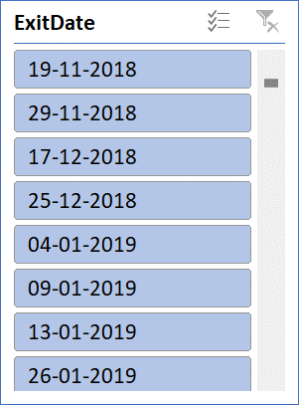
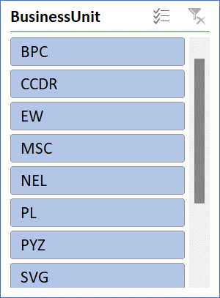
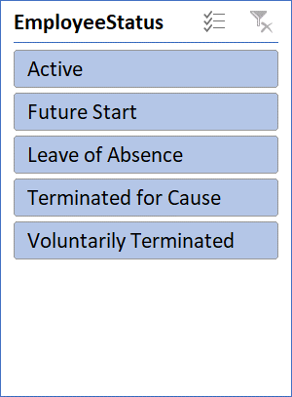
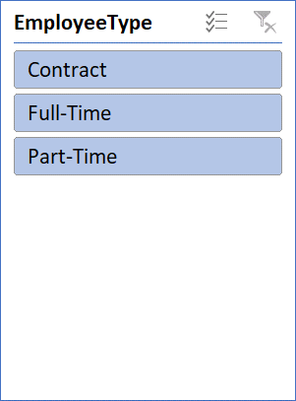
GenderCode | (All)

Count of FirstName | Column Labels
Row Labels | HIGH | LOW | MED | VERY HIGH | (blank) | Grand Total
BPC | 16 | 34 | 85 | 15 | 153 | 303
CCDR | 18 | 47 | 65 | 15 | 155 | 300
EW | 21 | 41 | 78 | 14 | 148 | 302
MSC | 17 | 39 | 92 | 9 | 139 | 296
NEL | 21 | 41 | 77 | 15 | 150 | 304
PL | 29 | 33 | 69 | 12 | 158 | 301
PYZ | 26 | 41 | 75 | 15 | 142 | 299
SVG | 26 | 43 | 82 | 16 | 137 | 304
TNS | 21 | 45 | 71 | 13 | 147 | 297
WBL | 25 | 34 | 84 | 13 | 138 | 294
Grand Total | 220 | 398 | 778 | 137 | 1467 | 3000

 | HIGH | LOW | MED | VERY HIGH | (blank)
BPC | 16 | 34 | 85 | 15 | 153
CCDR | 18 | 47 | 65 | 15 | 155
EW | 21 | 41 | 78 | 14 | 148
MSC | 17 | 39 | 92 | 9 | 139
NEL | 21 | 41 | 77 | 15 | 150
PL | 29 | 33 | 69 | 12 | 158
PYZ | 26 | 41 | 75 | 15 | 142
SVG | 26 | 43 | 82 | 16 | 137
TNS | 21 | 45 | 71 | 13 | 147
WBL | 25 | 34 | 84 | 13 | 138
Employee performance level
 | HIGH | LOW | MED | VERY HIGH | (blank)
BPC | 16 | 34 | 85 | 15 | 153
CCDR | 18 | 47 | 65 | 15 | 155
EW | 21 | 41 | 78 | 14 | 148
MSC | 17 | 39 | 92 | 9 | 139
NEL | 21 | 41 | 77 | 15 | 150
PL | 29 | 33 | 69 | 12 | 158
PYZ | 26 | 41 | 75 | 15 | 142
SVG | 26 | 43 | 82 | 16 | 137
TNS | 21 | 45 | 71 | 13 | 147
WBL | 25 | 34 | 84 | 13 | 138
 | HIGH | LOW | MED | VERY HIGH | (blank)
BPC | 16 | 34 | 85 | 15 | 153
CCDR | 18 | 47 | 65 | 15 | 155
EW | 21 | 41 | 78 | 14 | 148
MSC | 17 | 39 | 92 | 9 | 139
NEL | 21 | 41 | 77 | 15 | 150
PL | 29 | 33 | 69 | 12 | 158
PYZ | 26 | 41 | 75 | 15 | 142
SVG | 26 | 43 | 82 | 16 | 137
TNS | 21 | 45 | 71 | 13 | 147
WBL | 25 | 34 | 84 | 13 | 138

 | HIGH | LOW | MED | VERY HIGH | (blank)
BPC | 16 | 34 | 85 | 15 | 153
CCDR | 18 | 47 | 65 | 15 | 155
EW | 21 | 41 | 78 | 14 | 148
MSC | 17 | 39 | 92 | 9 | 139
NEL | 21 | 41 | 77 | 15 | 150
PL | 29 | 33 | 69 | 12 | 158
PYZ | 26 | 41 | 75 | 15 | 142
SVG | 26 | 43 | 82 | 16 | 137
TNS | 21 | 45 | 71 | 13 | 147
WBL | 25 | 34 | 84 | 13 | 138

